Theory
"""Curving Lines , Shadows , changes in color of pavement"""

To steer car -- how much lane is curving ?
For this , map out the lanes to camera images after transforming them to different perspective. One way is to look down on road from above. So we need to correct the effect of image distortion.

Distortion

Image distortion occurs when a camera looks at 3D objects in the real world and transforms them into a 2D image; this transformation isn’t perfect.
Distortion actually changes what the shape and size of these 3D objects appear to be. So, the first step in analyzing camera images, is to undo this distortion so that you can get correct and useful information out of them.

Types of Distortion
 | Radial Distortion
 |  | Real cameras use curved lenses to form an image, and light rays often bend a little too much or too little at the edges of these lenses.
 |  | This creates an effect that distorts the edges of images, so that lines or objects appear more or less curved than they actually are.
 |  | This is called radial distortion, and it’s the most common type of distortion.
 | Tangential Distortion
 |  | This occurs when a camera’s lens is not aligned perfectly parallel to the imaging plane, where the camera film or sensor is
 |  | This makes an image look tilted so that some objects appear farther away or closer than they actually are

 | Distortion Coefficients and Correction
 |  | There are three coefficients needed to correct for radial distortion: k1, k2, and k3. To correct the appearance of radially distorted points in an image, one can use a correction formula.
 |  | (x,y) is a point in a distorted image
 |  | r : which is the known distance between a point in an undistorted (corrected) image (x_{corrected}, y_{corrected}and the center of the image distortion, which is often the center of that image (x_c, y_c)
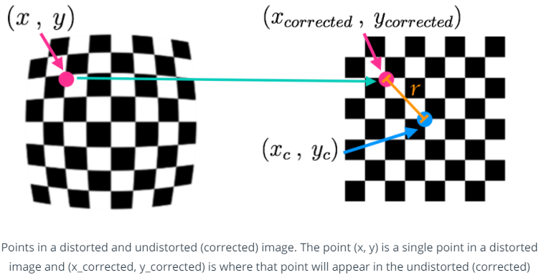
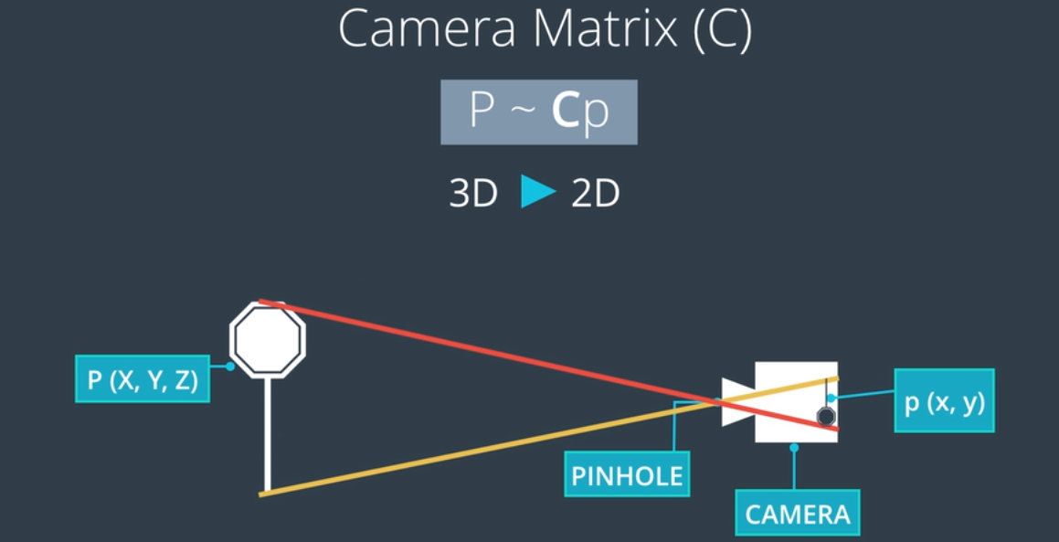

 |  |  |  |  | This is how camera sees image.

 |  | The OpenCV functions findChessboardCorners() and drawChessboardCorners() automatically find and draw corners in an image of a chessboard pattern.
 |  |  | (only count inside corners, not outside corners)
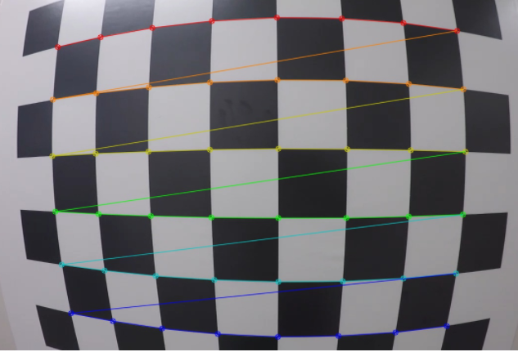

 |  |  |  | There are eight inside corners for x (nx=8) and six inside corners for y (ny=6).

CalibrateCamera
import cv2
import matplotlib.pyplot as plt
import numpy as np
import matplotlib.image as mping
""" %matplotlib inline """
"""Read Imagg """
img = mping.imread('C:\Users\1026691\Desktop\Imp Notes\Udacity\ComputerVisionFundamentals\imagename.jpg')
plt.imshow(img)
""" Arrays to store object points and image points from all images """
objpoints = [] #3D points in real world space
imgpoints = [] #2D points in image plane

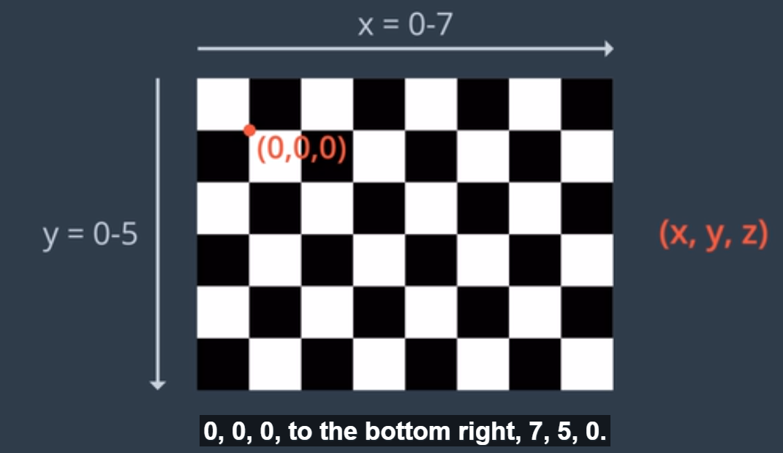
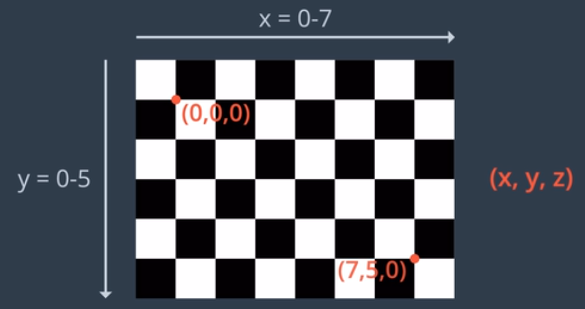

"""prepare object points like (0,0,0) , (1,0,0),(2,0,0)....(7,5,0)"""
objp = np.zeros((6*8,3), np.float32) # 3 are number of columns with 6 * 8 array.
""" numpy mgrid function to generate the co-ordonates for x and y. z co ordinates are 0 """
objp[:,:2] = mp.grid[0:8,0:6].T.reshape(-1,2) #x y co-ordinates received by grid function to get converted to 2D form again using this.
#reshape(-1,2) is used to reshape the co ordinates into two columns x and y.
"""Convert Image to greyscaler since findChessboardCorners need input image in gray scale. """
gray = cv2.cvtColor(img,cv2.COLOR_BGR2GRAY)
"""Find chessboard corners """
ret,corners = cv2.findChessboardCorners(gray,(8,6),None) # None is to represent any flags, there is nothing in this case.
"""If corners are found , add obj and img points"""
if res==True :
imgpoints.append(corners)
objpoints.append(objp) #these will be same for all images , since they represent real chessboard.
"""draw and display corners"""
img = cv2.drawChessboardCorners(img,(8,6),corners,ret)
plt.imshow(img)
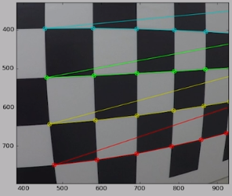

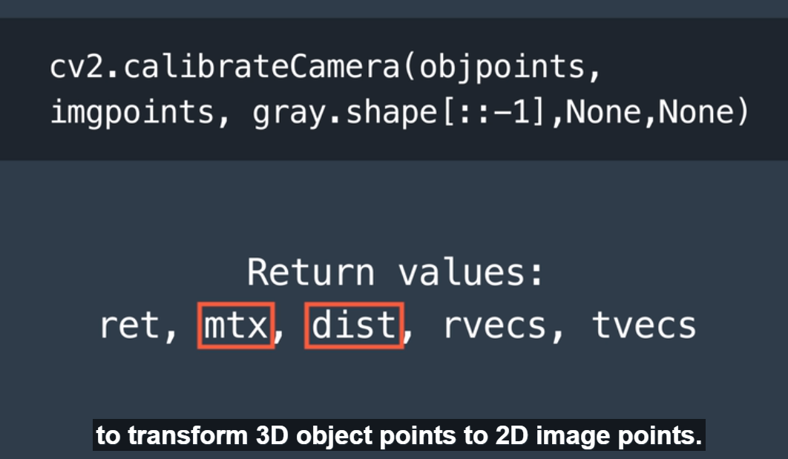
 | mtx : camera matrix
 | dist : distortion coefficient
 | rvecs : rotation vectors | Used to return position of camera in the world.
 | tvecs : translation vectors | Used to return position of camera in the world.

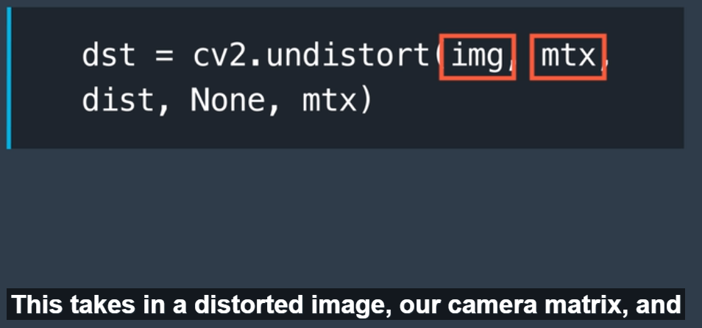
 | dst : undistorted destination image

Perspective Transform
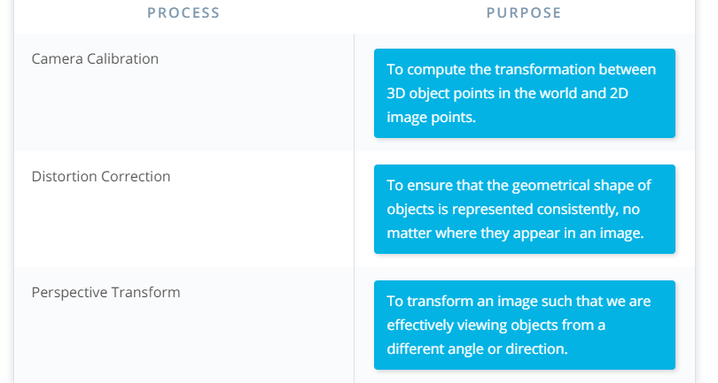
Calculating Lane Curvature

One way to calculate the curvature of a lane line, is to fit a 2nd degree polynomial to that line, and from this you can easily extract useful information.

For a lane line that is close to vertical, you can fit a line using this formula: f(y) = Ay^2 + By + C, where A, B, and C are coefficients
 | A gives you the curvature of the lane line
 | B gives you the heading or direction that the line is pointing,
 | C gives you the position of the line based on how far away it is from the very left of an image (y = 0).

A perspective transform maps the points in a given image to different, desired, image points with a new perspective.
The perspective transform you’ll be most interested in is a bird’s-eye view transform that let’s us view a lane from above;this will be useful for calculating the lane curvature later on.
Aside from creating a bird’s eye view representation of an image, a perspective transform can also be used for all kinds of different view points

Code : Transforming Traffic sign

import cv2
import matplotlib.pyplot as plt
import numpy as np
import matplotlib.image as mping
" %matplotlib inline "

"Read the tilted image"
"Orginal source image and wraped destination image "

img = mping.imread('../location/image.jpg')
plt.imshow(img)

"Define perspective transform function "

def warp(img):
 | #Define calibration box in source and destination(desired or warped) coordinates

 | img_size = (img.shape[1],img.shape[0])

 | #Four source coordinates

 | src = np.float32(
 |  | [[850,320],
 |  | [865,450],
 |  | [533,350],
 |  | [535,210]])
 | #Four desired coordinates

 | dst = np.float32(
 |  | [[870,240],
 |  | [870,370],
 |  | [520,370],
 |  | [520,240]])

 | #Compute perspective transform
 | M = cv2.getPerspectiveTransform(src,dst)

 | #create warped image - uses linear interpolation
 | warped = cv2.warpPerspective(img,M,img_size,flags=cv2.INTER_LINEAR)

 | returb warped

#Get perspective transform

warped_im = warp(img)
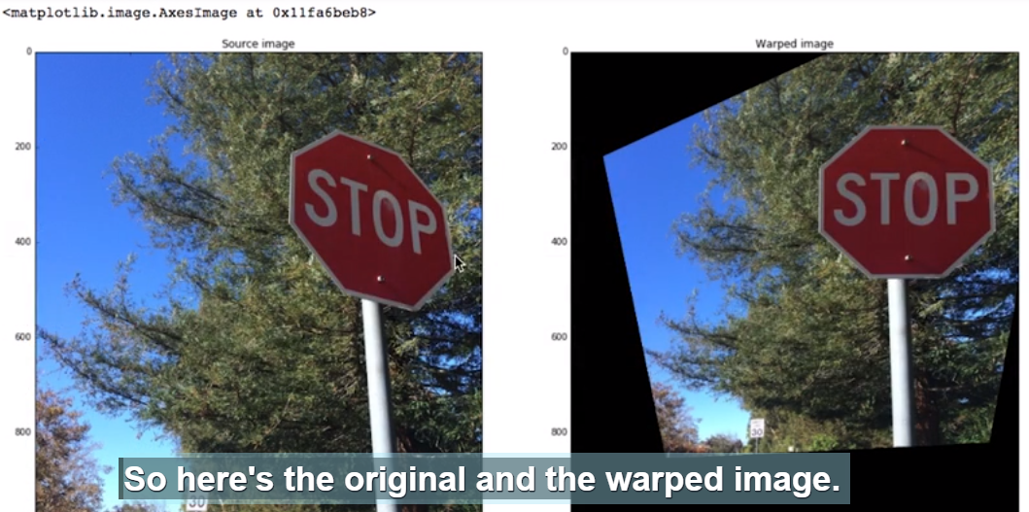
#Visualize undistortion

f,(ax1,ax2) = plt.subplots(1,2,figsize = (20,10))

ax1.set_title('Source Image')
ax1.imshow(img)
ax2.set_title('Warped Image')
ax2.imshow(warped_im)

Summary

